Login Functionality
Testcase_ID | Test scenario | Test case Title | Test steps | Test data | Expected results | Actual Results | Priority | Results | Screenshots
TC_001 | Login functionality | Validate logging into the application using valid credentials | 1. Open the Application URL (https://www.irctc.co.in/) in any browser. 2.Clik on "Login" option from the top menu. 3. Enter valid User Name into the "User Name" filed.( Refer test data) 4. Enter valid password into the "password" field. Refer test data) 5. Validate Captcha details into " Captcha" field. 6. click on "sign In" button | Username: groy_456 password : .abgdg@456 | 1.User should be navigated to the login page. 2.User should get logged in and taken to the home page of IRCTC. | 1.User is navigated to the login page User got logged in and taken to the 'home' page of IRCTC | P1 | PASS | 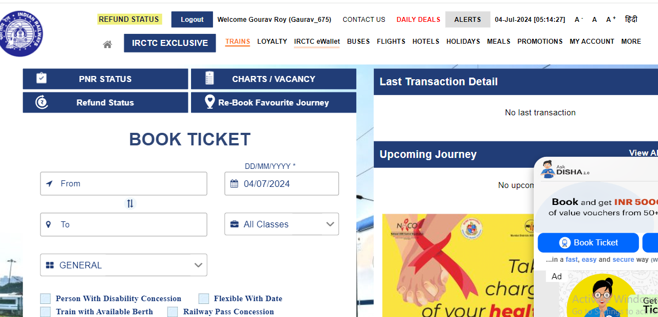
TC_002 | Login functionality | Validate logging into the application using invalid credentials | 1. Open the Application URL (https://www.irctc.co.in/) in any browser. 2.Clik on "Login" option from the top menu. 3. Enter invalid User Name into the "User Name" filed.( Refer test data) 4. Enter invalid password into the "password" field.( Refer test data) 5. Validate Captcha details into " Captcha" field. 6. click on "sign In" button | Username: GAURA password : .@321 | 1. Warning message with the text "Bad credentialsPlease Enter Valid Password" should be displayed | 1. Warning message with the text "Bad credentialsPlease Enter Valid Password" got displayed | P1 | 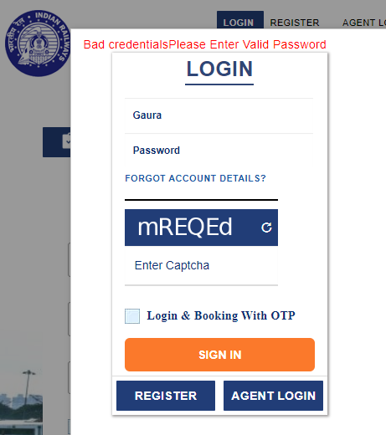 PASS
TC_003 | Login functionality | Validate logging into the application using invalid "User name & valid password | 1. Open the Application URL (https://www.irctc.co.in/) in any browser. 2.Clik on "Login" option from the top menu. 3. Enter invalid User Name into the "User Name" filed.( Refer test data) 4. Enter valid password into the "password" field.( Refer test data) 5. Validate Captcha details into " Captcha" field. 6. click on "sign In" button | Username: GAURA password : .xyz@321 | 1. Warning message with the text "Bad credentials" should be displayed | 1. Warning message with the text "Bad credentials" got displayed | P1 | PASS | 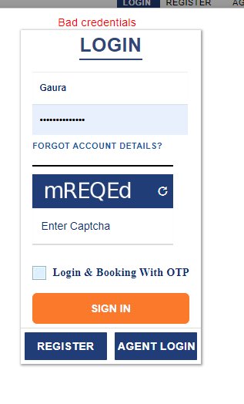
TC_004 | Login functionality | Validate logging into the application using invalid "password" | 1. Open the Application URL (https://www.irctc.co.in/) in any browser. 2.Clik on "Login" option from the top menu. 3. Enter valid User Name into the "User Name" filed.( Refer test data) 4. Enter invalid password into the "password" field.( Refer test data) 5. Validate Captcha details into " Captcha" field. 6. click on "sign In" button | Username: groy_456 password : .@321 | 1. Warning message with the text "Bad credentials" should be displayed | 1. Warning message with the text "Bad credentials" got displayed | P1 | PASS | 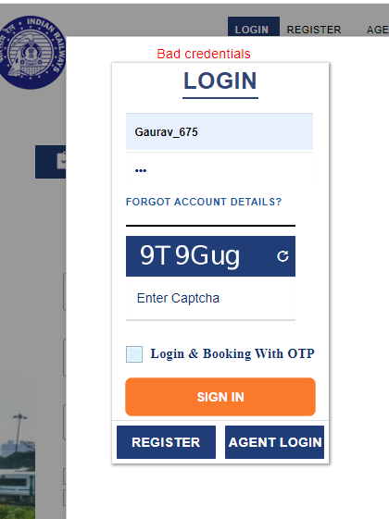
TC_005 | Login functionality | Validate logging into the application without entering any credentials | 1. Open the Application URL (https://www.irctc.co.in/) in any browser. 2.Clik on "Login" option from the top menu. 3. Don't enter anything into the "username" field and "password" field. 5. Validate Captcha details into " Captcha" field. 6. click on "sign In" button | N/A | 1. Warning message with the text "Please Enter Valid User ID" should be displayed | 1. Warning message with the text "Bad credentials" got displayed | P1 | PASS | 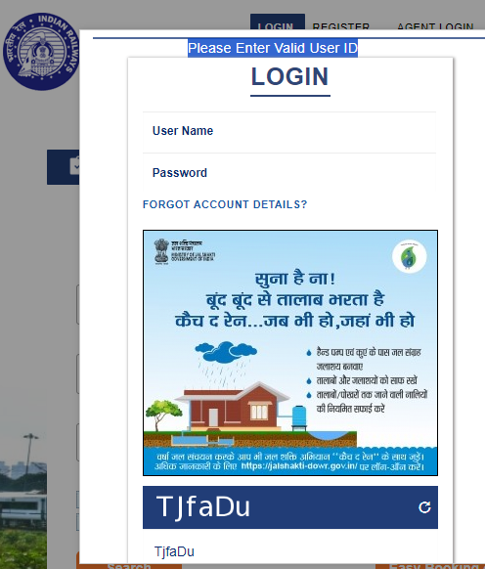
TC_006 | Login functionality | Validate logging into the application entering wrong captcha | 1. Open the Application URL (https://www.irctc.co.in/) in any browser. 2.Clik on "Login" option from the top menu. 3. Enter valid User Name into the "User Name" filed.( Refer test data) 4. Enter valid password into the "password" field.( Refer test data) 5. Enter wrong Captcha details into " Captcha" field. 6. click on "sign In" button | Username: groy_456 password : .abgdg@456 | 1. Warning message with the text "Invalid Captcha...." should be displayed | 1. Warning message with the text "Invalid Captcha...." got displayed | P1 | PASS | 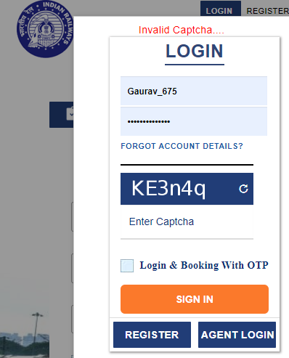
TC_007 | Login functionality | Validate logging into the application without validating captcha | 1. Open the Application URL (https://www.irctc.co.in/) in any browser. 2.Clik on "Login" option from the top menu. 3. Enter valid User Name into the "User Name" filed.( Refer test data) 4. Enter valid password into the "password" field.( Refer test data) 5. Don't enter anything into " Captcha" field. 6. click on "sign In" button | Username: groy_456 password : .abgdg@456 | 1. Warning message with the text "Invalid Captcha....Please Enter Valid Captcha" should be displayed | 1. Warning message with the text"Invalid Captcha....Please Enter Valid Captcha" got displayed | P1 | PASS | 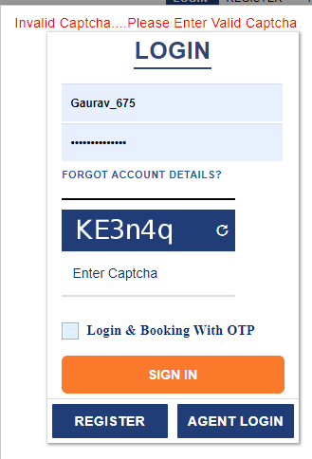
TC_008 | Login functionality | Validate 'Forgot account details' link is available in the Login page and is working | 1. Open the Application URL (https://www.irctc.co.in/) in any browser. 2.Clik on "Login" option from the top menu. 3. Click on 'Forgot account details' link | N/A | 1. User should be taken to "login" page and "Forgot account details" link should be displayed in the page 2. User should be taken to "Forgot account details'"page | 1. User is taken to 'Login' page and 'Forgotten Password' link should be displayed in the page 2. User is taken to ''Forgot account details'' page | P3 | PASS
TC_009 | Login functionality | Validate User Name and Password text fields in t text | 1. Open the Application URL (https://www.irctc.co.in/) in any browser. 2.Clik on "Login" option from the top menu. | N/A | 1. Proper place holder text should be displayed inside the 'User Name' and 'Password' text fields | Proper place holder text is displayed inside the ''User Name' and 'Password' text fields | P3 | PASS
TC_010 | Login functionality | Validate the number of unsucessful login attemps | 1. Open the Application URL (https://www.irctc.co.in/) in any browser. 2.Clik on "Login" option from the top menu. 3. Enter invalid User Name into the "User Name" filed.( Refer test data) 4. Enter invalid password into the "password" field.( Refer test data) 5. Validate Captcha details into " Captcha" field. 6. click on "sign In" button 7. Repeat "step "5" and strep "6" for 5 to 6 times. | Username: GAURA password : .@321 | Warning message with the text ' Warning: Your account has exceeded allowed number of login attempts. Please try again in 1 hour.' should display for the 5th time of clicking the 'Login' button with the same invalid credentials. | Warning message with the text ' Warning: Your account has exceeded allowed number of login attempts. Please try again in 1 hour.' is not displayed for the 5th time of clicking the 'Login' button with the same invalid credentials. | P2 | FAILFAIL | 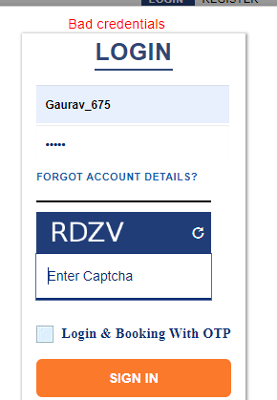 | IRCTC BUG -01
TC_011 | Login functionality | Validate Logging into the Application and browsing back using Browser back button | 1. Open the Application URL (https://www.irctc.co.in/) in any browser. 2.Click on "Login" option from the top menu. 3. Enter valid User Name into the "User Name" filed.( Refer test data) 4. Enter valid password into the "password" field.( Refer test data) 5. Validate Captcha details into " Captcha" field. 6. click on "sign In" button 7. Click on Browser back button | Username: groy_456 password : .abgdg@456 | . User should not logged out | User is getting logged out | P3 | FAILFAIL |  | IRCTC BUG -02
TC_012 | Login functionality | Validate the text into the Password field should be hidden its visibility | 1. Open the Application URL (https://www.irctc.co.in/) in any browser 2.Click on "Login" option from the top menu. 3.Enter any text into the 'Password' field | N/A | Text entered into the Password field should be hidden like when entered characters getting dispalyed, the Password field should show either * or . Symbols its visibility. | Text entered into the Password field is hidden like when entered characters getting dispalyed, the Password field should show either * or . Symbols its visibility. | P2 | PASS
TC_013 | Login functionality | Validate the copying of the text entered into the Password field | 1. Open the Application URL (https://www.irctc.co.in/) in any browser 2.Click on "Login" option from the top menu. 3.Enter any text into the 'Password' field 4. Select password from the password text field, right click on it and try to copy the password | N/A | 1. Copy option in the Right click menu should be disabled 2. Password text should not be copied | 1. Copy option in the Right click menu is disabled. 2. Password text is not copied | P2 | PASS
TC_014 | Login functionality | Validate the Password is not visible in the Page Source | 1. Open the Application URL (https://www.irctc.co.in/) in any browser 2.Click on "Login" option from the top menu. 3.Enter any text into the 'Password' field 4. Click on 'Sign' button and inspect the Password text field | N/A | Password text should not be visible in the page source | Password text should is not visible | P2 | PASS

